Related Services
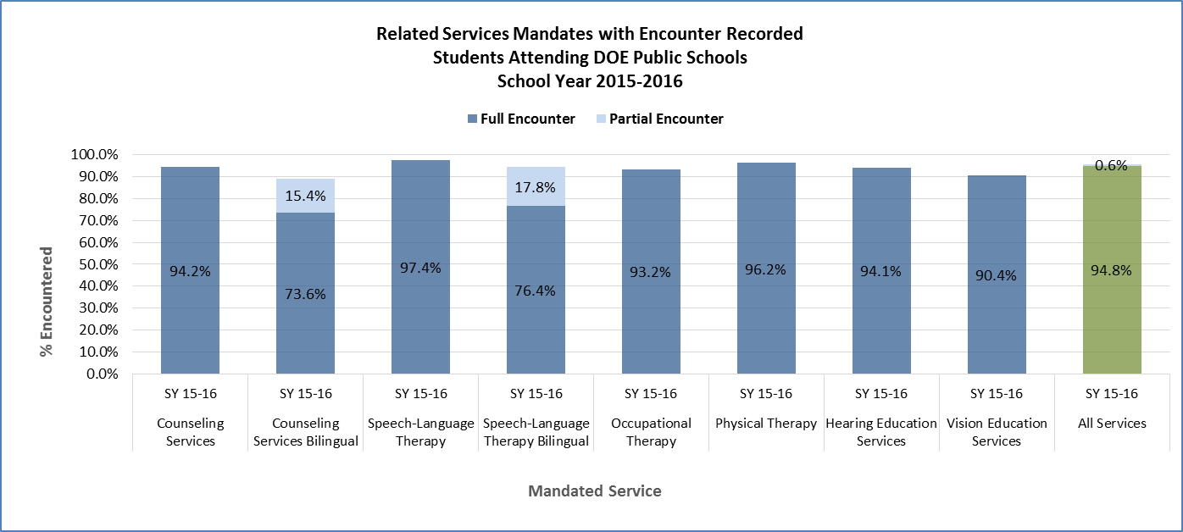

 | Counseling Services | Counseling Services Bilingual | Speech-Language Therapy | Speech-Language Therapy Bilingual | Occupational Therapy | Physical Therapy | Hearing Education Services | Vision Education Services | All Services
Full Encounter | 74,401 | 1,184 | 111,312 | 5,632 | 47,024 | 15,581 | 2,137 | 624 | 257,895
Partial Encounter | - | 247 | - | 1,309 | - | - | - | - | 1,556
No Encounter | 4,595 | 177 | 3,018 | 426 | 3,427 | 618 | 135 | 66 | 12,462
TOTAL | 78,996 | 1,608 | 114,330 | 7,367 | 50,451 | 16,199 | 2,272 | 690 | 271,913

